stroopdata
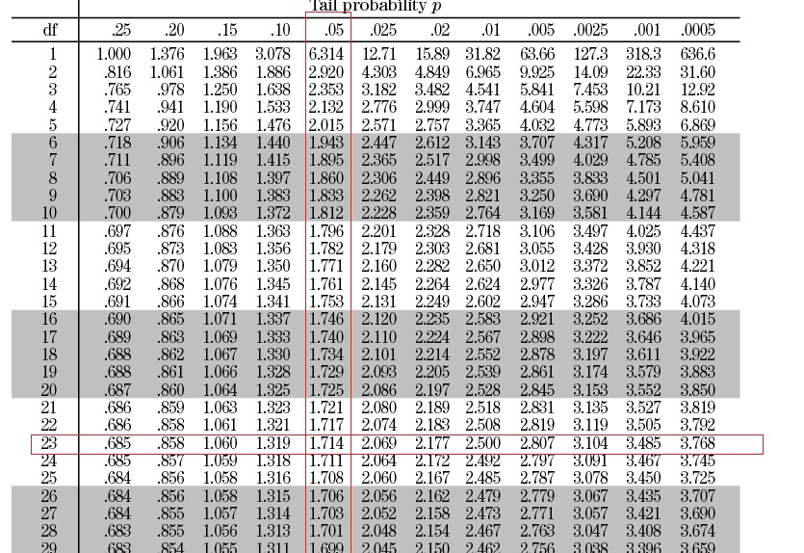
Congruent | (mean-x)^2 | Variance | Incongruent | (mean-x)^2 |  | Difference | Average difference | D-average d
12.079 | 3.89 | 12.67 | 19.278 | 7.50 | Variance | -7.199 | -7.9647916667 | 0.59 | Variance |  | Congruent | Incongruent | Difference
16.791 | 7.51 |  | 18.741 | 10.73 | 23.01 | -1.95 |  | 36.18 | 23.67 | n | 24 | 24 | 24
9.564 | 20.13 | SD | 21.214 | 0.64 |  | -11.65 |  | 13.58 |  | df | 23 | 23 | 23
8.63 | 29.39 | 3.56 | 15.687 | 40.06 | SD | -7.057 |  | 0.82 | SD | Median | 14.36 | 21.02 | -6.66
14.669 | 0.38 |  | 22.803 | 0.62 | 4.80 | -8.134 |  | 0.03 | 4.86 | Mean | 14.0511 | 22.0159 | -7.96
12.238 | 3.29 |  | 20.878 | 1.29 |  | -8.64 |  | 0.46 |  | Variance | 12.67 | 23.01 | 23.67
14.692 | 0.41 |  | 24.572 | 6.53 |  | -9.88 |  | 3.67 |  | Sample standard dev. | 3.56 | 4.80 | 4.86
8.987 | 25.65 |  | 17.394 | 21.36 |  | -8.407 |  | 0.20 |  | SE | 0.73 | 0.98 | 0.99
9.401 | 21.62 |  | 20.762 | 1.57 |  | -11.361 |  | 11.53
14.48 | 0.18 |  | 26.282 | 18.20 |  | -11.802 |  | 14.72
22.328 | 68.51 |  | 24.524 | 6.29 |  | -2.196 |  | 33.28
15.298 | 1.55 |  | 18.644 | 11.37 |  | -3.346 |  | 21.33 |  | α | 0.05
15.073 | 1.04 |  | 17.51 | 20.30 |  | -2.437 |  | 30.56 |  | t-statistics | -8.02
16.929 | 8.28 |  | 20.33 | 2.84 |  | -3.401 |  | 20.83 |  | at 99% Confidence Level: | 1.714
18.2 | 17.21 |  | 35.255 | 175.27 |  | -17.055 |  | 82.63
12.13 | 3.69 |  | 22.158 | 0.02 |  | -10.028 |  | 4.26 |  | CI interval | -9.67 | -6.26
18.495 | 19.75 |  | 25.139 | 9.75 |  | -6.644 |  | 1.74
10.639 | 11.64 |  | 20.429 | 2.52 |  | -9.79 |  | 3.33
11.344 | 7.33 |  | 17.425 | 21.08 |  | -6.081 |  | 3.55
12.369 | 2.83 |  | 34.288 | 150.60 |  | -21.919 |  | 194.72
12.944 | 1.23 |  | 23.894 | 3.53 |  | -10.95 |  | 8.91 |  | Since calculated t-statistic is - 8.026 we will reject the null hypothesis because it lies in the critical area of 95% confidence level.
14.233 | 0.03 |  | 17.96 | 16.45 |  | -3.727 |  | 17.96
19.71 | 32.02 |  | 22.058 | 0.00 |  | -2.348 |  | 31.55
16.004 | 3.81 |  | 21.157 | 0.74 |  | -5.153 |  | 7.91

Plots
Congruent vs. Incongurent
Subject number | Congruent | Incongruent | Bin | Incongruent | Inongruent
1 | 8.63 | 15.687 |  | Frequency | Frequency
2 | 8.987 | 17.394 | 5-8 | 0 | 0
3 | 9.401 | 17.425 | 8-11 | 5 | 0
4 | 9.564 | 17.51 | 11-14 | 6 | 0
5 | 10.639 | 17.96 | 14-17 | 9 | 1
6 | 11.344 | 18.644 | 17-20 | 3 | 7
7 | 12.079 | 18.741 | 20-23 | 1 | 9
8 | 12.13 | 19.278 | 23-26 | 0 | 4
9 | 12.238 | 20.33 | 26-29 | 0 | 1
10 | 12.369 | 20.429 | 29-32 | 0 | 0 | Inongruent data sample
11 | 12.944 | 20.762 | 32-35 | 0 | 1 | Bin | Frequency
12 | 14.233 | 20.878 | 35-38 | 0 | 1 | 8 | 0
13 | 14.48 | 21.157 |  |  |  | 11 | 0
14 | 14.669 | 21.214 |  |  |  | 14 | 0
15 | 14.692 | 22.058 |  |  |  | 17 | 1
16 | 15.073 | 22.158 |  |  |  | 20 | 7
17 | 15.298 | 22.803 |  |  |  | 23 | 9
18 | 16.004 | 23.894 |  |  |  | 26 | 4
19 | 16.791 | 24.524 |  |  |  | 29 | 1
20 | 16.929 | 24.572 |  |  |  | 32 | 0
Congruent data sample
Incongruent data sample
21 | 18.2 | 25.139 |  |  |  | 35 | 1
22 | 18.495 | 26.282 |  |  |  | 40 | 1
23 | 19.71 | 34.288
24 | 22.328 | 35.255

Congruent vs. Incongurent (sorted)

Congurent vs. Incongurent data
 | Congruent | Incongruent
 | 12.079 | 19.278
 | 16.791 | 18.741
 | 9.564 | 21.214
 | 8.63 | 15.687
 | 14.669 | 22.803
 | 12.238 | 20.878
 | 14.692 | 24.572
 | 8.987 | 17.394
 | 9.401 | 20.762
 | 14.48 | 26.282
 | 22.328 | 24.524
 | 15.298 | 18.644
 | 15.073 | 17.51
 | 16.929 | 20.33
 | 18.2 | 35.255
 | 12.13 | 22.158
 | 18.495 | 25.139
 | 10.639 | 20.429
 | 11.344 | 17.425
 | 12.369 | 34.288
 | 12.944 | 23.894
 | 14.233 | 17.96
 | 19.71 | 22.058
 | 16.004 | 21.157

t-table


Boxplot
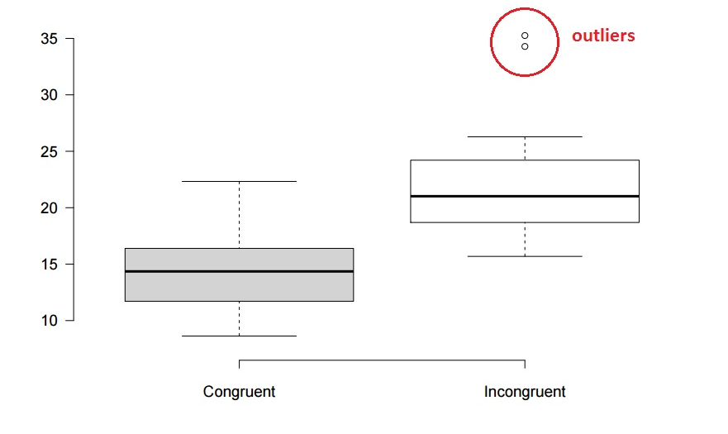

Sheet1
Subjects' Congurent vs. Incongurent time
 | Congruent | Incongruent
 | 12.079 | 19.278
 | 16.791 | 18.741
 | 9.564 | 21.214
 | 8.63 | 15.687
 | 14.669 | 22.803
 | 12.238 | 20.878
 | 14.692 | 24.572
 | 8.987 | 17.394
 | 9.401 | 20.762
 | 14.48 | 26.282
 | 22.328 | 24.524
 | 15.298 | 18.644
 | 15.073 | 17.51
 | 16.929 | 20.33
 | 18.2 | 35.255
 | 12.13 | 22.158
 | 18.495 | 25.139
 | 10.639 | 20.429
 | 11.344 | 17.425
 | 12.369 | 34.288
 | 12.944 | 23.894
 | 14.233 | 17.96
 | 19.71 | 22.058
 | 16.004 | 21.157

